HH Instructions
How to use this tracking sheet
1. Start by observing HCP using the Hand Hygiene Observation Tool below.
2. Have one sheet for each day you are doing observations (print additional sheets if needed).
3. Once data is collected for the day, enter results in the corresponding month tab in this spreadsheet.
4. The first two rows in each tab are examples.
5. The spreadsheet will make calculations automatically and provide compliance rates.
6. In the 'Overall Rates' tab, you will be able to see a month-by-month progress at your facility
7. This instrument provides important data to be shared in Infection Control and QAPI (Quality Assurance Performance Improvement) meetings

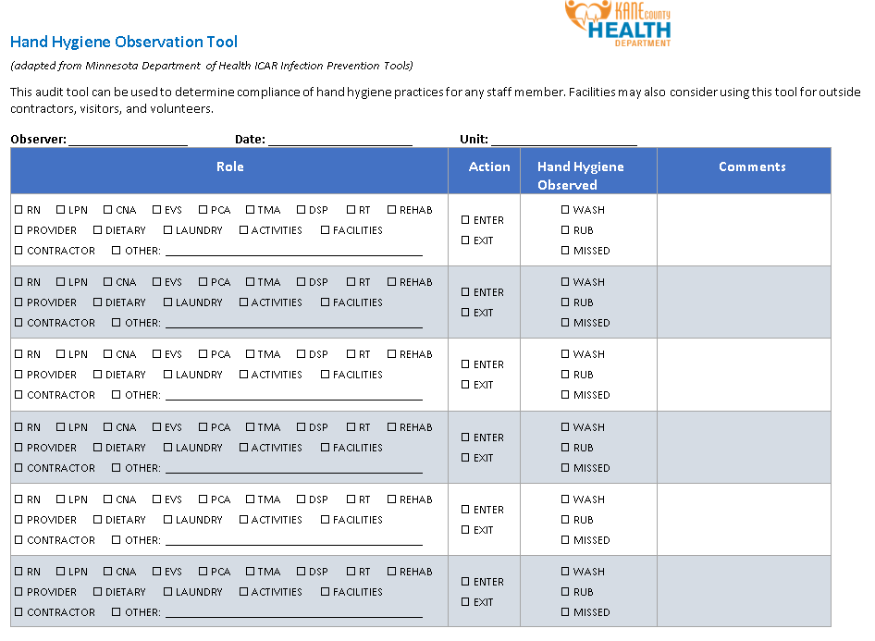

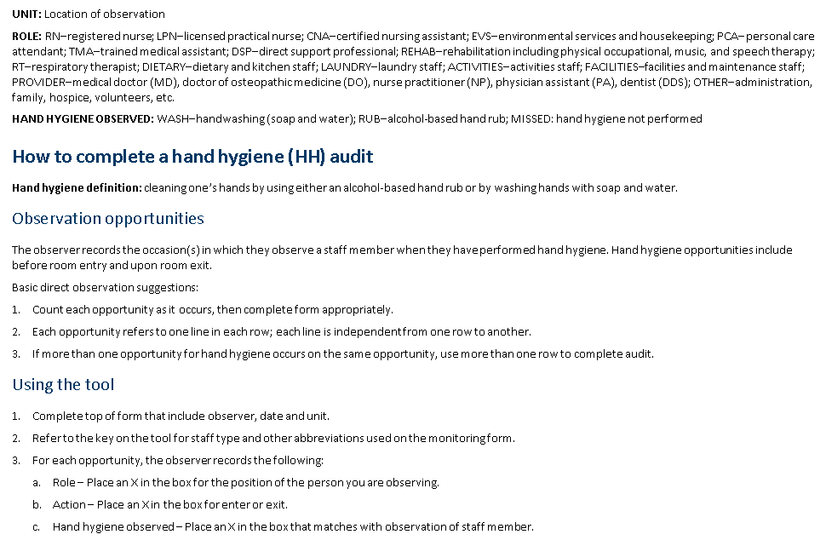

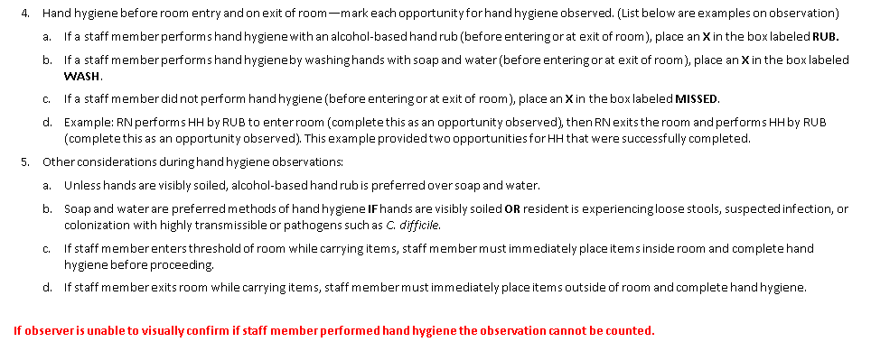

Overall Rates
 |  |  | Hand Hygiene Observation Tracking Sheet
 |  |  | Organization's name:

Average percentage of missed opportunities |  |  |  | #DIV/0!
 | # missed opportunities at entry |  |  | 0
 | # missed opportunities at exit |  |  | 0
Rate of Hand Hygiene Compliance
Number of Hand Hygiene Opportunities Missed at Entry
Average percentage of opportunities when HH was performed |  |  |  | #DIV/0!

HH Performed
 | % performed
January | #DIV/0!
February | #DIV/0!
March | #DIV/0!
April | #DIV/0!
May | #DIV/0!
June | #DIV/0!
July | #DIV/0!
August | #DIV/0!
September | #DIV/0!
October | #DIV/0!
November | #DIV/0!
December | #DIV/0!

Rate of Missed HH Oportunities
Number of Hand Hygiene Opportunities Missed at Exit
Missed
 | total % | # entry | # exit
January | #DIV/0! | 0 | 0
February | #DIV/0! | 0 | 0
March | #DIV/0! | 0 | 0
April | #DIV/0! | 0 | 0
May | #DIV/0! | 0 | 0
June | #DIV/0! | 0 | 0
July | #DIV/0! | 0 | 0
August | #DIV/0! | 0 | 0
September | #DIV/0! | 0 | 0
October | #DIV/0! | 0 | 0
November | #DIV/0! | 0 | 0
December | #DIV/0! | 0 | 0

